MRFx
p
 |  |  | Motorcycle Repair Form MRF
CUSTOMER DETAILS: |  |  |  |  | MRF #:
Name: |  |  | Address: | Contact #: | Email:
Series: |  | VIN: |  | Dealer:
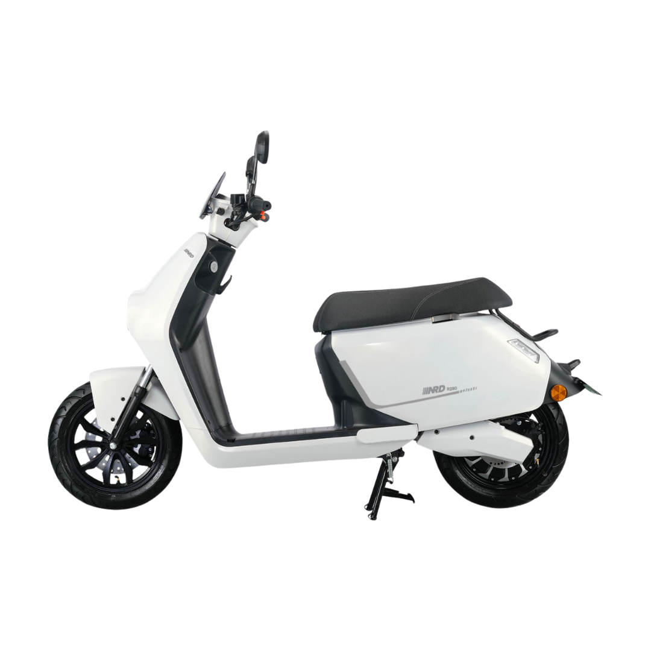
VISUAL REFERENCE:

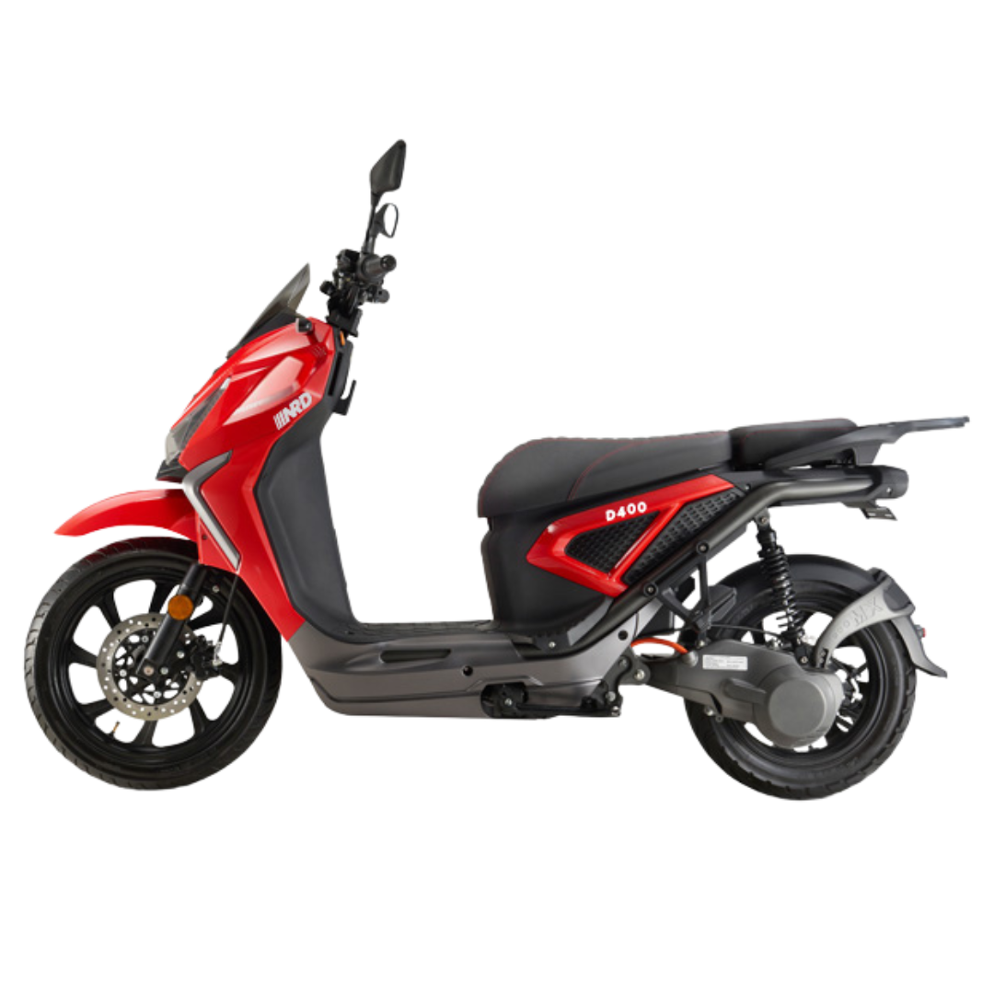 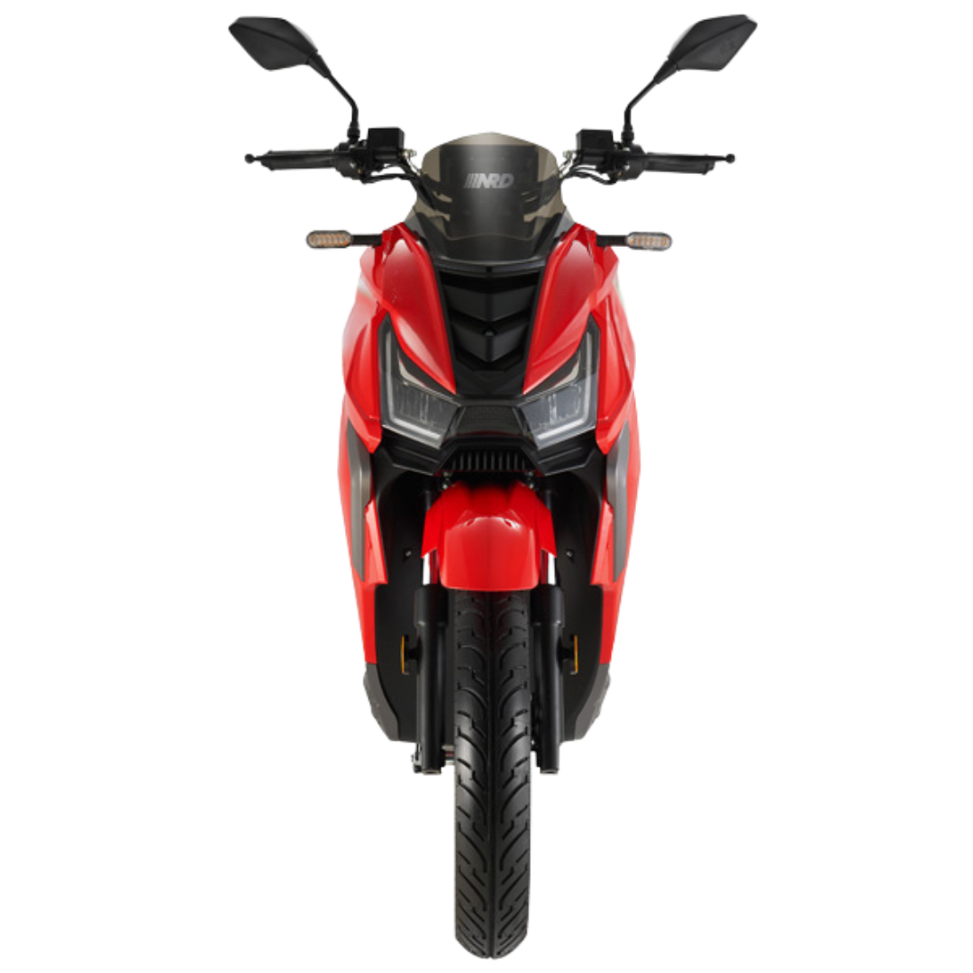 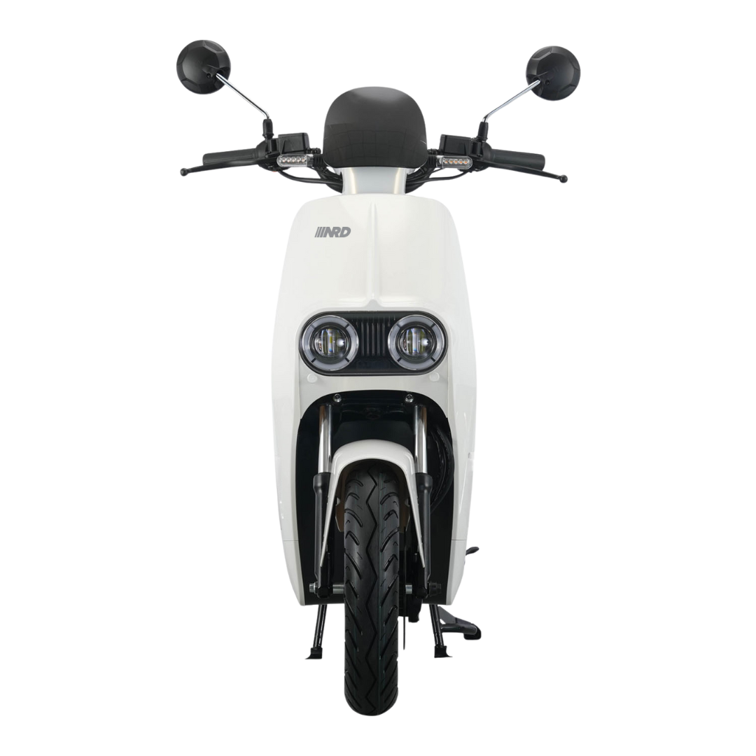
MAJOR | MINOR | OPERATION | WORKING | REMARKS (IN) | REMARKS (OUT)
HANDLE BAR | Handle bar | Steering
 |  | Side Mirror
 | Switch / Buttons | Head Light Button
 |  | Signal Light Button
 |  | Horn Button
 |  | Reverse Button
 |  | Hazard Button
 |  | Gear Button (1,2,3)
 |  | Park Button
 |  | Front Brake
 |  | Rear Brake
 | Display Panel | Battery (1 and 2)
 |  | Battery Bar
 |  | Range (Km)
 |  | Speed (Km/H)
 |  | Amps
 |  | ODO
 |  | Trip (Km)
 |  | Settings
FRONT | Lights | Head Lights
 |  | Signal Lights
 |  | Hazard Lights
 | Shock Absorber | Shock Absorber
 |  | Reflectors
 | Tire | Front Tire
BODY | Frame | Front Part
 |  | Right Part
 |  | Left Part
 |  | Middle Part
 |  | Rear Part
 |  | Seat
 | Battery | Battery cable
 |  | Airswitch
 |  | Compartment part
 | Ignition | Keys
 |  | Remote
 | Stand | Center Stand
 |  | Side Stand
 | Foot Rest | Left and Right
REAR | Lights | Signal Lights
 |  | Hazard Lights
 |  | Break Lights
 |  | Tail Lights
 |  | Plate Number Lights
 | Shock Absorber | Shock Absorber
 |  | Reflectors
 | Tire | Rear Tire
All Area | Screw / Nut /Bolt | Front / Rear / Side
Performance |  | Test Drive
FINAL REMARKS:

IN | Customer: |  | Cashier: | Mechanic: | Guard:
 | Date: |  | Date: | Date: | Date:

OUT | Customer: |  | Cashier: | Mechanic: | Guard:
 | Date: |  | Date: | Date: | Date:

GIS
Save as PDF
p
 |  |  | Goods Issuance Slip
Date: | 2026-08-03 | Purpose: | Deployment of Locker & Batteries / Phoenix MOA |  | GI-2026-000193
Requested by: | Roy Patrick Nepomuceno / RBM
Bill To (Name & Contact No.): |  | Pick Up : Asgard Warehouse - E88 | E88 Asgard Warehouse
JL Torno / 0967 257 4391 |  | Address: | Phoenix Petroleum, EDSA Ext, Pasay City, Metro Manila GPS Coordinates: 14.535568757681117, 120.98740685582172 |  | Requisition ID-20260000205

No. | Description | Qty | UoM | Bundle | REMARKS
1 | RideBox Locker- 9M0008 | 1 | Unit | RideBox Battery - Ampace / 519110002370AAXXXNJL0208 519110002370AAXXXLJL0210 519110002370AAXXXLJL0273 519110002370AAXXXLJL0237
2
3
4
5
6
7
8
9
10
11
12
13
14
15
16
17
18
19
20

FINAL REMARKS:

Prepared by (SCM Admin) : Rowel Trazona |  |  |  | Acknowledge by (Logistics Expert) : Judy Joy Rosare
Date: | 2026-08-03 |  |  | Date: | 2026-08-03

Authorized by (Warehouse Expert) : Arby Mostrales |  |  |  | Received & Delivered by (Delivery Driver) :
Date: | 2026-08-03 |  |  | Date: | 2026-08-03

Approved by (Supply Chain) : Samuel Kniazeff Jr. |  |  |  | Received by (Receiver) :
Date: | 2026-08-03 |  |  | Date: | 2026-08-03

Inspected by (Guard On Duty) :
Date: | 2026-08-03

